Answer 5
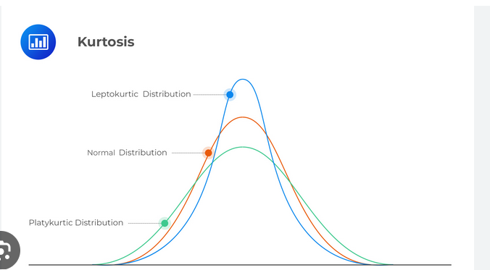
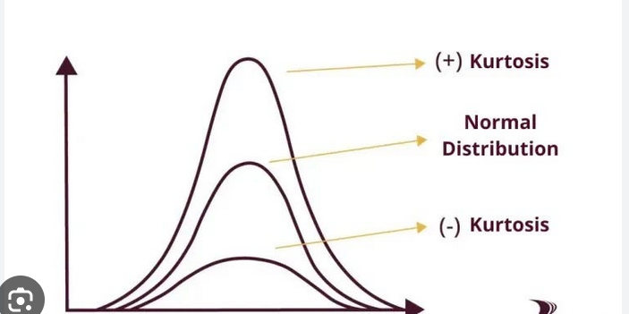
Q5- What is Kurtosis and their type?

Kurtosis is a statistical measure that describes the shape of the distribution of data, particularly the tails of the distribution. It tells you about the outliers in the data and the peakedness or flatness of the distribution compared to a normal distribution.

In simple terms, kurtosis indicates how much data is in the tails or in the peak of the distribution compared to a normal distribution.

Types of Kurtosis:

Mesokurtic (Normal distribution kurtosis)

Leptokurtic (Leptokurtic distribution)

Platykurtic (Platykurtic distribution)

